Sheet1
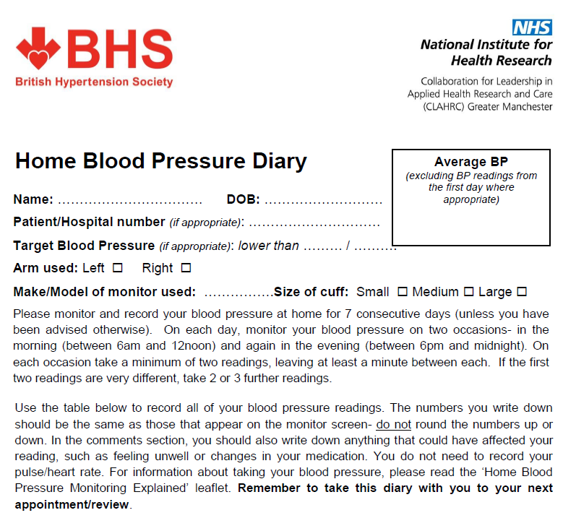

 |  | Joe Bloggs |  | 1980-01-01

Date | Time | Systolic BP (top number) | Diastolic BP (bottom number) | Comments (e.g. medication changes feeling unwell etc.)

Average |  | #DIV/0! | #DIV/0!

